BoQ - PRC
 | Bill of Quantities Furniture for the Physical Rehabilitation

Notes: • The below BoQ to be filled by the bidder in IQD Currency only. • The images shown are for illustration purposes only and may not be an exact representation of the product. • All the items listed below should be provided with a guarantee letter for at least 2 years or what time suits the item's nature and functionality lifetime from the supplier company or contractor and to be confirmed with its validation with the relevant authorities.
No. | Description | Unit | Quantity | Warranty period | Unit Price | Sub-total | Photos
1 | provide and assemble (if need to be assembled) Office desk (length 1400 * width 60) cm has three side drawers, beige color, top melamine laminated 25 mm PVC edged, side melamine paper 25 mm | No. | 10 |  | IQD - | IQD -
2 | provide and assemble (if need to be assembled) Office cabinet, MDF or similar in quality, beige color, 2 glass doors on the top, 2 wooden doors on the bottom with minimum dimensions of 80cm width * 40cm depth * 180cm height. | No. | 10 |  |  | IQD -
3 | provide and assemble (if need to be assembled) Office chair with armrests Executive medium back chair (colour :black):Chrome base, the steel section should be heavy type and/or have an ISO 9001 certificate, back mesh ,multllock mechanisam ,armrest up & down movement ,Adjustable height. W640•0540•H940- 1040mm | No. | 10 |  |  | IQD -
4 | provide and assemble (if need to be assembled) sturdy chair with armrests visitor chair Fixed metal base the steel section should be heavy type and/or have an ISO 9001 certificate , back leather ,fixed arms , (colour :black) W640*0540•H940- 1040cm | No. | 20 |  |  | IQD -
5 | provide and assemble (if need to be assembled) lounge chair (waiting) for three people, stainless steel, the steel section should be heavy type and/or have an ISO 9001 certificate Armrest / leg: Stainless Steel. Seat: Stainless steel. Beam: Metal tube.Sprayed with static powder after antirust treatment. verall size L1800*W650*H800mm | No. | 12 |  |  | IQD -
6 | provide and assemble (if need to be assembled) Locker 4 Tiers Metal Finish, the metal section should be heavy type and/or have an ISO 9001 certificate, Metal lockers shall be painted with a high quality powder coat finish. Locker bodies shall be fabricated Standard Gauges: Lockers frames shall be 16 gauge, shelves and bodies 24 gauge and doors, sloping tops, bases and trim 20 gauge if possible. Doors: Locker doors shall be of an all welded double pan door construction with recessed aluminum pockets. Each door shall receive 14 gauge 5 knuckle hinges welded to the frame and riveted to the door. Frame: Locker frames shall be 16 gauge steel and resistance welded on all four corners to form a rigid structure. Each frame shall receive an 11 gauge hasp welded to the frame. Interior Equipment: Each single tier locker shall receive one hat shelf and three coat hooks. [Double and triple tier include two coat hooks per compartment.] | No. | 18 |  |  | IQD -
7 | provide and assemble (if need to be assembled) Locker 2 Tiers (for Hydrotheraphy rooms). Metal Finish, the metal section should be heavy type and/or have an ISO 9001 certificate, Metal lockers shall be painted with a high quality powder coat finish. Locker bodies shall be fabricated Standard Gauges: Lockers frames shall be 16 gauge, shelves and bodies 24 gauge and doors, sloping tops, bases and trim 20 gauge if possible. Doors: Locker doors shall be of an all welded double pan door construction with recessed aluminum pockets. Each door shall receive 14 gauge 5 knuckle hinges welded to the frame and riveted to the door. Numbers shall be engraved in sequence as required for the layout. Frame: Locker frames shall be 16 gauge steel and resistance welded on all four corners to form a rigid structure.Interior Equipment: Each single tier locker shall receive one hat shelf and three coat hooks. [Double and triple tier include two coat hooks per compartment.] | No. | 2 |  |  | IQD -
8 | provide and assemble (if need to be assembled) Shelves MDF or equivalent in quality, with dimensions of 195cm height x 45cm depth x 120cm width. | No. | 6 |  |  | IQD - | 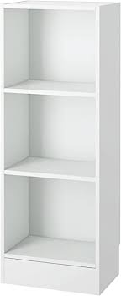
9 | Waste Container ( Medium) 30-45 litters Dimensions: 600 x 410 x 400mm Capacity: 45 litres Weight: 3 kg Material: Polypropylene Colours: Grey or yellow Lid: Pedal operated lid Hygienic and easy to wipe clean Light but durable construction | No. | 4 |  |  | IQD - | 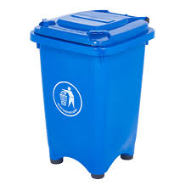
10 | Waste Container for corridors Gallon: 13.2 gal Capacity: 8 litres Material: Stainless Steel Weight: 18 lbs | No. | 8 |  |  | IQD -
11 | 1.8 gallon plastic Trash bin small Metal Mesh Wastebasket Round Trash Can Durable steel wire mesh 10.6 in x 9.5 in (height x diameter) Round shape Powder coat finish Easily fit | No. | 10 |  |  | IQD -
12 | Whiteboard (100 * 70) cm with a set of pens with a scanner White Board/Dry Erase Board with Detachable Marker Tray, Black Aluminium Frame Item Dimensions LxWxH 35 x 22 x 2 inches | No. | 4 |  |  | IQD -
13 | Water dispenser with bottle with filter- Voltage and frequency 220V-240V~, 50Hz/60Hz Cold water temperature 10 °C Hot water temperature 90 °C Main filter mediaCarbon block Filtration capacity 4000L Replacement filter cartridge ADD502 Filter precision 1 micro | No. | 6 |  |  | IQD - | 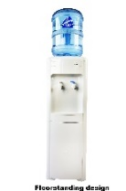
14 | Juice Refrigerator with glass door 12 ft Single Glass Door Merchandiser Refrigerator -Beverage Display Cooler-12.5 cu ft 3-year product warranty and 5-year compressor warranty reinforced double layer hollow glass door 4 removable shelves that hold any combination of beverages. Pack it full of 280 cans with a locking door and set of keys. nterior lighting Balanced Refrigeration System Holds 32 °F to 50 °F | No. | 4 |  |  | IQD - | 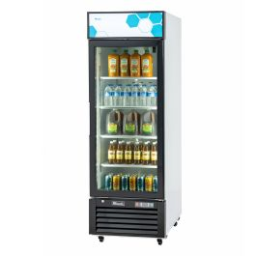
15 | Refrigerator 9 ft 9 CU. FT. CAPACITY (5 REF./4 FREEZER) TWO EXTERIOR SOLID SWING DOORS RIGHT HINGED, NOT REVERSIBLE TWO PROBE ACCESS PORTS (3/8"); ONE, REFRIGERATOR/ONE, FREEZER 3 ADJUSTABLE SHELVES REFRIGERATOR/2 FIXED SHELVES (WITH 3 REMOVABLE BASKETS) FREEZER FORCED AIR CIRCULATION (REFRIGERATOR) KEYED DOOR LOCKS MAGNETIC DOOR GASKET FOR POSITIVE SEAL RECESSED DOOR HANDLE, REFRIGERATOR AND FREEZER LEVELING LEGS STACKING KIT HFC-FREE REFRIGERANT (R600A), FOAM INSULATION AND PACKAGING TWO YEAR PARTS AND LABOR WARRANTY | No. | 2 |  |  | IQD - | 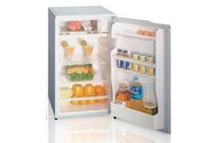
16 | provide and assemble (if need to be assembled) Square meeting table and 4 chairs Work Top: 25mm thick Pre-laminated MDF board - Color of work top shall be approved prior to fabrication (Wooden Grain Textured or White finished) - Work top shall have both side laminated - Work top edge shall be provided with machine pressed minimum 2mm thick PVC lipping/ edge binding Chairs: Medium back rest ergonomically designed revolving chairs - Chairs should have a hydraulic gas-lift for seat height adjustment. - Fabric shall be fire retardant. - Seat and back should be foam-cushioned - Chair base should be of Steel base - Chair should have armrest & push-back mechanism | No. | 1 |  |  | IQD - | 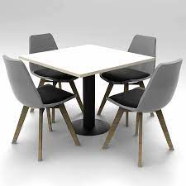
17 | Small table, made of teak combined with powder-coated aluminum. The teak top is protected by natural sanded finish, leaving smooth trail on the surface. While the aluminum frame is protected by powder coated finish to combat corrosion and rust potential as it is placed in outdoor area. DIMENSIONS W-45cm D-45cm H-50cm | No. | 20 |  |  | IQD -
18 | Single leather sofa chair - Sofa should be foam- cushioned of super high density with Springs as required for comfortable seating - The seat and back shall be made out of Hardwoods Maple or Oak - The seat and back shall be coved with 100mm & 50 mm thk. 32 density U foam - Leatherette shade and quality shall be approved prior to fabrication - Legs shall be of 25mm x 25mm Stainless Steel (Chrome finished) the steel section should be heavy type and/or have an ISO 9001 certificate. | No. | 4 |  |  | IQD -
19 | Curtains-Zebra 2.5 m height heavy type Custom Cordless Zebra Blind,Anti-Ultraviolet Curtains, Energy-Saving Roller Blinds, Suitable for Windows, High-quality jacquard fabric, integrated textile forming, no loose silk, no deformation, waterproof, easy to take care of Aluminium shell, dust and rust proof. | M.L | 30 |  |  | IQD - | 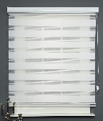
20 | TV "LCD full HDMI 42 42 Inch LED Full HD TV Display Size 42 inch Screen Type LED Smart TV Resolution Standard Full-HD Resolution (pixels) 1920x1080 | No. | 4 |  |  | IQD - | 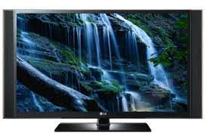
 | Total USD |  |  |  |  | IQD -

BoQ - PHCC
 | Bill of Quantities Furniture for Al-Intisar PHCC

Notes: • The below BoQ to be filled by the bidder in IQD Currency only. • The images shown are for illustration purposes only and may not be an exact representation of the product. • All the items listed below should be provided with a guarantee letter for at least 2 years or what time suits the item's nature and functionality lifetime from the supplier company or contractor and to be confirmed with its validation with the relevant authorities.
No. | Description | Unit | Quantity | Warranty Period | Unit Price | Sub-total | Photos
1 | provide and assemble (if need to be assembled) Office desk (length 1400 * width 60) cm has three side drawers, beige color, top melamine laminated 25 mm PVC edged, side melamine paper 25 mm | No. | 16 |  |  | IQD -
2 | provide and assemble (if need to be assembled) Office chair with armrests Executive medium back chair (colour :black):Chrome base the steel section should be heavy type and/or have an ISO 9001 certificate, back mesh ,multllock mechanisam ,armrest up & down movement ,Adjustable height. W640•0540•H940- 1040mm | No. | 16 |  |  | IQD -
3 | provide and assemble (if need to be assembled) sturdy chair with armrests visitor chair Fixed metal base the steel section should be heavy type and/or have an ISO 9001 certificate , back leather ,fixed arms , (colour :black) W640*0540•H940- 1040cm | No. | 10 |  |  | IQD -
4 | provide and assemble (if need to be assembled) lounge chair (waiting) for three people, stainless steel, the steel section should be heavy type and/or have an ISO 9001 certificate Armrest / leg: Stainless Steel. Seat: Stainless steel. Beam: Metal tube.Sprayed with static powder after antirust treatment. verall size L1800*W650*H800mm | No. | 6 |  |  | IQD -
5 | Water dispenser with bottle with filter- voltage and frequency 220V-240V~, 50Hz/60Hz Cold water temperature 10 °C Hot water temperature 90 °C Main filter mediaCarbon block Filtration capacity 4000L Replacement filter cartridge ADD502 Filter precision 1 micro | No. | 5 |  |  | IQD -
6 | Refrigerator 9 CU. FT. CAPACITY (5 REF./4 FREEZER) TWO EXTERIOR SOLID SWING DOORS RIGHT HINGED, NOT REVERSIBLE TWO PROBE ACCESS PORTS (3/8"); ONE, REFRIGERATOR/ONE, FREEZER 3 ADJUSTABLE SHELVES REFRIGERATOR/2 FIXED SHELVES (WITH 3 REMOVABLE BASKETS) FREEZER FORCED AIR CIRCULATION (REFRIGERATOR) KEYED DOOR LOCKS MAGNETIC DOOR GASKET FOR POSITIVE SEAL RECESSED DOOR HANDLE, REFRIGERATOR AND FREEZER LEVELING LEGS STACKING KIT HFC-FREE REFRIGERANT (R600A), FOAM INSULATION AND PACKAGING TWO YEAR PARTS AND LABOR WARRANTY | No. | 1 |  |  | IQD -
7 | Curtains-Zebra 2.5 m height heavy type Custom Cordless Zebra Blind,Anti-Ultraviolet Curtains, Energy-Saving Roller Blinds, Suitable for Windows, High-quality jacquard fabric, integrated textile forming, no loose silk, no deformation, waterproof, easy to take care of Aluminium shell, dust and rust proof. | M.L | 50 |  |  | IQD -
8 | provide and assemble (if need to be assembled) Steel Clothes Hanger Stand Stainless Steel Coat Hanger, Maze Coat Rack, Cherry Overall Size:19.29"w x 19.29"d x 74.02"h Material:Stainless Steel, the steel section should be heavy type and/or have an ISO 9001 certificate. | No. | 2 |  |  | IQD -
9 | provide and assemble (if need to be assembled) Metal wardrobe (height 185 * length 80 * width 50) cm Coat rod sits below a full-width shelf that holds up to 110 lbs, the metal section should be heavy type and/or have an ISO 9001 certificate 3-point locking system includes lock with 2 keys Features a durable Dove Gray powder coat paint finish verall Dimensions 36"w x 24"d x 78"h Assembly Unassembled (1296) or Assembled (1295) Number Of Shelves 1 Full Width Shelf with Coat Rod Capacity 110 lbs per Shelf Includes 1 Full Width Shelf with Coat Rod Chrome Plated Handle with Grooved Key Lock and 2 Keys | No. | 15 |  |  | IQD - | 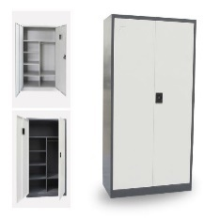
10 | provide and assemble (if need to be assembled) Cabinet for storing medicines-half glazed (height 200 * length 100 * width 57) cm with lock steel board seamless welding construction, the steel section should be heavy type and/or have an ISO 9001 certificate, adjustable shelves, robust anticorrosive hinges, secure doors and leveling feet. Special specifications of metal cabinet for acid and corrosive storage | No. | 10 |  |  | IQD -
11 | color A4 size printer inkjet type equipped with additional inkset Print Resolution Up to 4800¹ x 1200 dpi Print Technology 2 FINE Cartridges (Black and Colour) Inkjet system with 2pl (min.) ink droplet size ChromaLife100 inks Mono Print SpeedApprox. 9.9 ipm¹ Colour Print Speed Approx. 5.7 ipm¹ Photo Print Speed Borderless 10x15cm : Approx. 44 seconds Borderless Printing Yes (A4, Letter, 20x25cm, 13x18cm, 10x15cm) Two Sided Printing Auto Duplex Print (A4, Letter) | No. | 2 |  |  | IQD - | 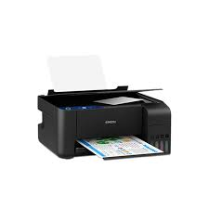
12 | PhotoCopier Machine A4 Print, Copy, Scan, Send, Store and Optional Fax Print Speed*4 (ppm) up to 35 ppm (A4), up to 26 ppm (A5R), up to 61 ppm (A5), up to 23 ppm (A6) Print Resolution (dpi) 1,200 x 600 Copy Speed*4 (BW and CL) up to 35 ppm (A4), up to 26 ppm (A5R), up to 61 ppm (A5), up to 23 ppm (A6) Copy Resolution (dpi) 600 x 600, 300 x 600 Scan Single-pass Duplexing Automatic Document Feeder*7 [2-sided to 2-sided (Automatic)] | No. | 1 |  |  | IQD - | 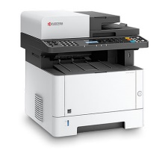
13 | Wall mounted Fan 16 inches 3 plastic fanblades Steel fanblade guard with good quality durable plastic frame 3 wind speed levels Oscillating adjustable with Pull Switch to swing the fan as needed High powerful motor with automatic ball bearing Increasing more safety with Thermal Fuse Automatic power shutdown Exceeded international standard like ISO 9001 Frequency : 50 Hz. Voltage : 220v. Wattage : 52w. Speeds : 1,115 rpm | No. | 5 |  |  | IQD - | 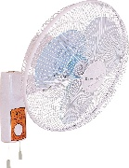
14 | Recption Sofa set leather for admin room 8 person Made of l"white wood for inner structure, - Sofa should be foam- cushioned of super high density with Springs as required for comfortable seating - The seat and back shall be made out of Hardwoods Maple or Oak - The seat and back shall be coved with 100mm & 50 mm thk. 32 density U foam - Fabric / Leatherette shade and quality shall be approved prior to fabrication - Legs shall be of 25mm x 25mm Stainless Steel (Chrome finished) of required height, the steel section should be heavy type and/or have an ISO 9001 certificate. | set | 1 |  |  | IQD - | 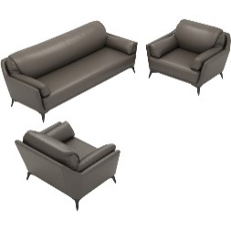
15 | provide assemble (if need to be assembled) and install of Counter top -PVC- type 150 cm length./ Carcase Material:Solid Wood Door Material:HPL / Hpdl, MDF, Melamine Board, Particleboard, Pl Table Material:Artificial Granite, Artificial Marble, Artificial Fixed:Unfixed Door Panel Surface Treatment Acrylic, Lacquer, PVC Membrane, Solid Wood | No. | 1 |  |  | IQD - | 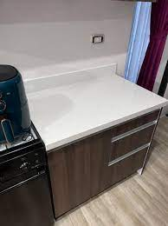
16 | Ladder aluminium- 7 steps/ Maximum load 150 kg The height of the last tread is 164 cm and the total length of the folded ladder is 240 cm Made of aluminum with heavy section. | No. | 1 |  |  | IQD -
Total |  |  |  |  |  | IQD -

